E-R Diagram
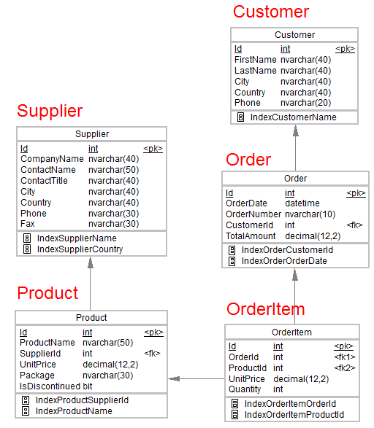
Instruction: Execute the SQL files in the sequence given below.
1. 1_DDL_Case Study
2. 2_Data
3. 3_Data Constraints

Refer nvarchar data type as varchar.
 | x
 | y

